Sheet1
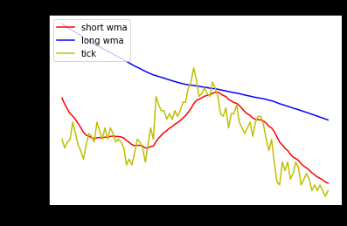
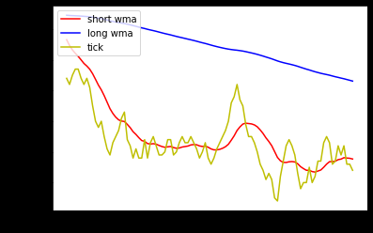
short | long | Max pip size | min | sec |  | short | long | Max pip size | min | sec
10 | 100 | 1 | 3 | 52 |  | 10 | 200 | 2 | 3 | 42
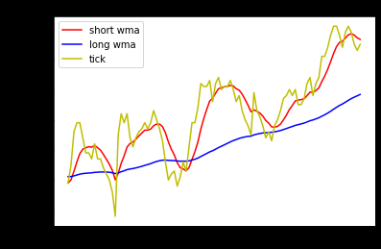
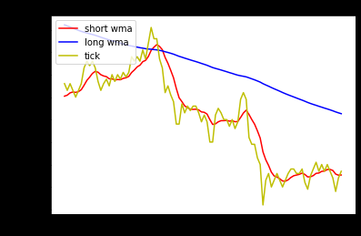

short | long | Max pip size | min | sec | ` | short | long | Max pip size | min | sec
20 | 200 | 1.5 | 4 | 7 |  | 20 | 300 | 2 | 3 | 42

